Sheet1
No | Group | Type | Manufacturer | Part Number | Vehicle | OEM | Picture | Url | [UAC] Part Number | [UAC] Vehicle W/o Engine | [UAC] Vehicle W/ Engine | [UAC] OEM | [UAC] Picture | [UAC] Url
1 | Heat & Air Conditioning | A/C Receiver Drier / Accumulator | UAC | HA10018C | FORD MUSTANG 1989-1993 | F3ZZ19D734BA | 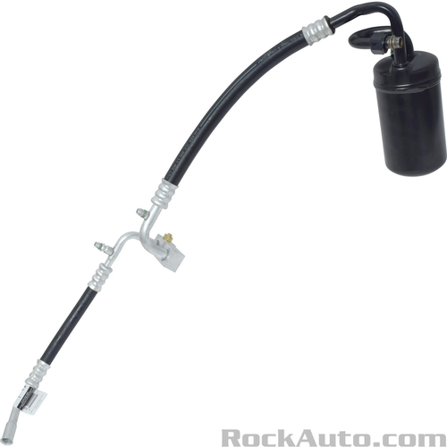 | https://www.rockauto.com/en/parts/uac,HA10018C,a/c+receiver+drier+/+accumulator,6972 | HA 10018C | Ford Mustang 1989-1993 | Ford Mustang 1989-1990 L4 CC:- CID:140 2.3L SOHC FI MFI Naturally Aspirated GAS VIN:A Ford Mustang 1991-1993 L4 CC:- CID:140 2.3L SOHC FI MFI Naturally Aspirated GAS VIN:M | 1510750;1531327;707048;F3ZZ19D734BA;55664;4811402;YF1703;200758;TEM200758;3656;H6196;H6306;520058 | 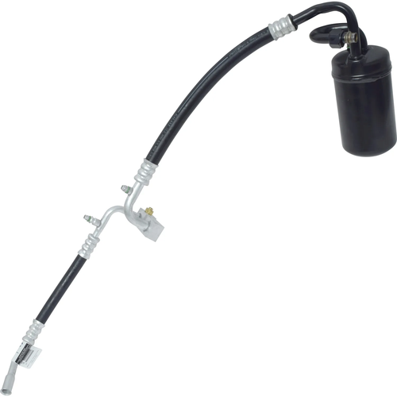 | https://uacparts.com/Catalog/SearchIndex?search=HA10018C
2 | Heat & Air Conditioning | A/C Receiver Drier / Accumulator | UAC | HA10020C | FORD SABLE 1996-2001 FORD TAURUS 1996-1999 MERCURY SABLE 1996-1999 | F7DZ17C836EA;F7DZ19C836EA | 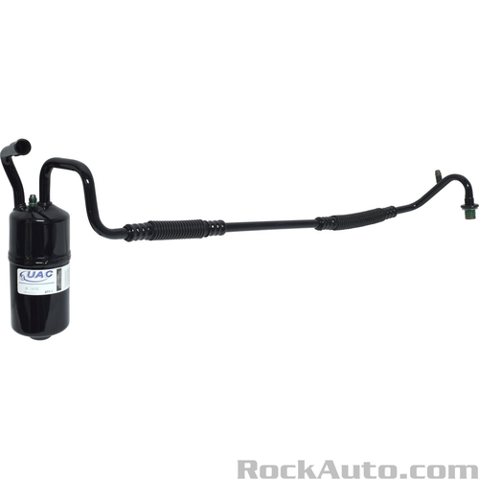 | https://www.rockauto.com/en/parts/uac,HA10020C,a/c+receiver+drier+/+accumulator,6972 | HA 10020C | Ford Sable 1996-2001 Ford Taurus 1996-1999 Mercury Sable 1996-1999 | Ford Sable 1996-2001 V6 CC:2968 CID:181 3.0L DOHC FI MFI Naturally Aspirated GAS VIN:S Ford Taurus 1996-1998 V6 CC:2986 CID:182 3.0L OHV FI MFI Naturally Aspirated FLEX VIN:1 Ford Taurus 1996-1999 V6 CC:2968 CID:181 3.0L DOHC FI MFI Naturally Aspirated GAS VIN:S Ford Taurus 1996-1999 V6 CC:2986 CID:182 3.0L OHV FI MFI Naturally Aspirated FLEX VIN:2 Ford Taurus 1996-1999 V6 CC:2986 CID:182 3.0L OHV FI MFI Naturally Aspirated GAS VIN:U Ford Taurus 1996-1999 V8 CC:- CID:207 3.4L DOHC FI MFI Naturally Aspirated GAS VIN:N Mercury Sable 1996-1999 V6 CC:2968 CID:181 3.0L DOHC FI MFI Naturally Aspirated GAS VIN:S Mercury Sable 1996-1999 V6 CC:2986 CID:182 3.0L OHV FI MFI Naturally Aspirated GAS VIN:U | 1531251;51535;10602641;T55308;F7DZ17C836EA;F7DZ19C836EA;55309;247263;4811293;041463A;YF2215;YF2463;YF2766;572263;3658;1955308;H6312;ACR2263 | 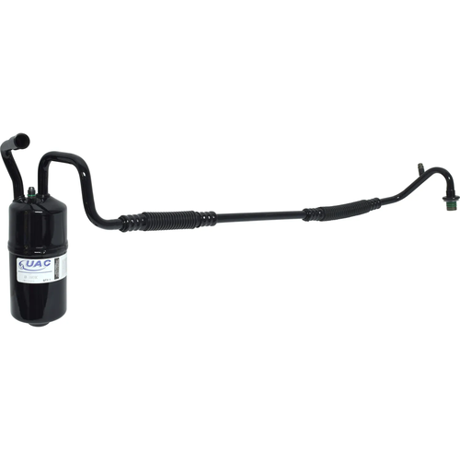 | https://uacparts.com/Catalog/SearchIndex?search=HA10020C
3 | Heat & Air Conditioning | A/C Receiver Drier / Accumulator | UAC | HA10021C | FORD E-150 1997-2006 FORD E-250 1997-2006 FORD E-350 1997-2007 FORD E-450 1999-2007 FORD E-550 2002 FORD ECONOLINE 1999-2006 FORD ECONOLINE SUPER DUTY 1997-1999 FORD F SUPER DUTY 1994-1997 | 2C2419C913BB;2C2Z19C8368BB;2C2Z19C836AB;2C2Z19C836BA;2C2Z19C836BB;F7UZ19C836BB;XC2Z19C836AA;YC2Z19C836AA;YC2Z19C836BA | 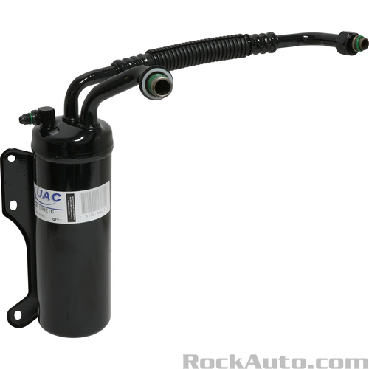 | https://www.rockauto.com/en/parts/uac,HA10021C,a/c+receiver+drier+/+accumulator,6972 | HA 10021C | FORD E-450 ECONOLINE SUPER DUTY 1 FORD E-450 SUPER DUTY 1 FORD E-550 ECONOLINE SUPER DUTY 1 FORD ECONOLINE SUPER DUTY 1 FORD F SUPER DUTY 1 FORD F-450 SUPER DUTY 1 FORD TRUCK ANY 1 Ford E-150 2002-2006 Ford E-150 Club Wagon 2003-2005 Ford E-150 Econoline 1997-2002 Ford E-150 Econoline Club Wagon 1997-2002 Ford E-250 2003-2006 Ford E-250 Econoline 1997-2002 Ford E-350 Club Wagon 2002-2005 Ford E-350 Econoline 1997-2007 Ford E-350 Econoline Club Wagon 1997-2002 Ford E-350 Super Duty 1999-2007 Ford E-450 Econoline Super Duty 1999-2002 Ford E-450 Super Duty 2003-2007 Ford E-550 Econoline Super Duty 2002 Ford Econoline 1999-2006 Ford Econoline Super Duty 1997-1999 Ford F-450 Super Duty 1997 Ford F-Super Duty 1994-1997 | FORD E-450 ECONOLINE SUPER DUTY 1 Accumulators/Driers FORD E-450 SUPER DUTY 1 Accumulators/Driers FORD E-550 ECONOLINE SUPER DUTY 1 Accumulators/Driers FORD ECONOLINE SUPER DUTY 1 Accumulators/Driers FORD F SUPER DUTY 1 Accumulators/Driers FORD F-450 SUPER DUTY 1 Accumulators/Driers FORD TRUCK ANY 1 Hose Assemblies Ford E-150 2002-2003 V6 CC:- CID:256 4.2L OHV FI MFI Naturally Aspirated GAS VIN:2 Ford E-150 2002-2006 V8 CC:- CID:330 5.4L SOHC FI MFI Naturally Aspirated GAS VIN:L Ford E-150 2003-2006 V8 CC:- CID:281 4.6L SOHC FI MFI Naturally Aspirated GAS VIN:W Ford E-150 Club Wagon 2003 V6 CC:- CID:256 4.2L OHV FI MFI Naturally Aspirated GAS VIN:2 Ford E-150 Club Wagon 2003-2005 V8 CC:- CID:281 4.6L SOHC FI MFI Naturally Aspirated GAS VIN:W Ford E-150 Club Wagon 2003-2005 V8 CC:- CID:330 5.4L SOHC FI MFI Naturally Aspirated GAS VIN:L Ford E-150 Econoline 1997-1999 V8 CC:- CID:281 4.6L SOHC FI MFI Naturally Aspirated GAS VIN:6 Ford E-150 Econoline 1997-2002 V6 CC:- CID:256 4.2L OHV FI MFI Naturally Aspirated GAS VIN:2 Ford E-150 Econoline 1997-2002 V8 CC:- CID:330 5.4L SOHC FI MFI Naturally Aspirated GAS VIN:L Ford E-150 Econoline 1998 V8 CC:- CID:330 5.4L SOHC FI MFI Naturally Aspirated BI-FUEL VIN:Z Ford E-150 Econoline 1999-2002 V8 CC:- CID:281 4.6L SOHC FI MFI Naturally Aspirated GAS VIN:W Ford E-150 Econoline Club Wagon 1997-1998 V8 CC:- CID:281 4.6L SOHC FI MFI Naturally Aspirated GAS VIN:6 Ford E-150 Econoline Club Wagon 1997-2002 V6 CC:- CID:256 4.2L OHV FI MFI Naturally Aspirated GAS VIN:2 Ford E-150 Econoline Club Wagon 1997-2002 V8 CC:- CID:330 5.4L SOHC FI MFI Naturally Aspirated GAS VIN:L Ford E-150 Econoline Club Wagon 1998 V8 CC:- CID:330 5.4L SOHC FI MFI Naturally Aspirated BI-FUEL VIN:Z Ford E-150 Econoline Club Wagon 1999-2002 V8 CC:- CID:281 4.6L SOHC FI MFI Naturally Aspirated GAS VIN:W Ford E-250 2003 V6 CC:- CID:256 4.2L OHV FI MFI Naturally Aspirated GAS VIN:2 Ford E-250 2003-2004 V8 CC:- CID:330 5.4L SOHC FI MFI Naturally Aspirated CNG VIN:M | 1510188;1510905;11608011;T83015;707006;2C2419C913BB;2C2Z19C8368BB;2C2Z19C836AB;2C2Z19C836BA;2C2Z19C836BB;F7UZ19C836BB;XC2Z19C836AA;YC2Z19C836AA;YC2Z19C836BA;83015;247284;RD1280;1411622;041381A;7488;7495;YF2382;YF2622;YF2623;YF2809;YF2810;YF2832;YF37117;408569;TEM408569;3723442;08939802;572284;3660;74R5079;0283015;H6268;ACR2284;8001410;520203 | 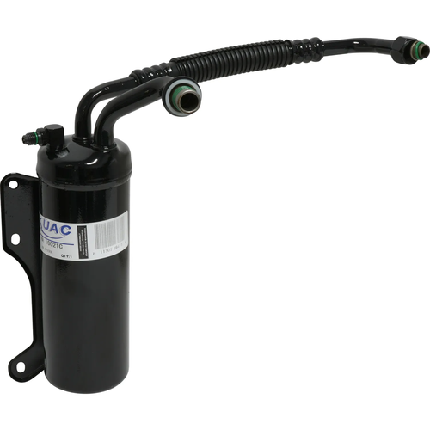 | https://uacparts.com/Catalog/SearchIndex?search=HA10021C
4 | Heat & Air Conditioning | A/C Receiver Drier / Accumulator | UAC | HA10022C | FORD E-150 1997-2006 FORD E-250 1997-2006 FORD E-350 1997-2006 FORD E-450 1999-2006 FORD E-550 2002-2003 FORD ECONOLINE 1999-2006 FORD ECONOLINE SUPER DUTY 1997-1999 | 2C2Z19C836AA;5C2Z19C386AB;5C2Z19C8368AB;5C2Z19C8368BB;5C2Z19C836AA;5C2Z19C836AB;F65Z19C836AA;F7UZ19C836AB | 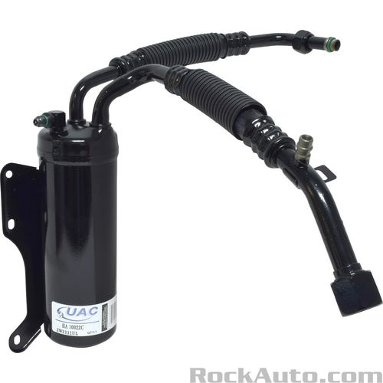 | https://www.rockauto.com/en/parts/uac,HA10022C,a/c+receiver+drier+/+accumulator,6972 | HA 10022C | CATERPILLAR ANY 1 FORD E-450 ECONOLINE SUPER DUTY 1 FORD E-450 SUPER DUTY 1 FORD E-550 ECONOLINE SUPER DUTY 1 FORD E-550 SUPER DUTY 1 FORD ECONOLINE SUPER DUTY 1 FORD F SUPER DUTY 1 FORD TRUCK ANY 1 Ford E-150 2002-2006 Ford E-150 Club Wagon 2003-2005 Ford E-150 Econoline 1997-2002 Ford E-150 Econoline Club Wagon 1997-2002 Ford E-250 2003-2006 Ford E-250 Econoline 1997-2002 Ford E-350 Club Wagon 2002-2005 Ford E-350 Econoline 1997-2000 Ford E-350 Econoline Club Wagon 1997-2002 Ford E-350 Super Duty 1999-2006 Ford E-450 Econoline Super Duty 1999-2002 Ford E-450 Super Duty 2003-2006 Ford E-550 Econoline Super Duty 2002 Ford E-550 Super Duty 2003 Ford Econoline 1999-2006 Ford Econoline Super Duty 1997-1999 | CATERPILLAR ANY 1 Hose Assemblies FORD E-450 ECONOLINE SUPER DUTY 1 Accumulators/Driers FORD E-450 SUPER DUTY 1 Accumulators/Driers FORD E-550 ECONOLINE SUPER DUTY 1 Accumulators/Driers FORD E-550 SUPER DUTY 1 Accumulators/Driers FORD E-550 SUPER DUTY 1 Hose Assemblies FORD ECONOLINE SUPER DUTY 1 Accumulators/Driers FORD F SUPER DUTY 1 Accumulators/Driers FORD F SUPER DUTY 1 Hose Assemblies FORD TRUCK ANY 1 Hose Assemblies Ford E-150 2002-2003 V6 CC:- CID:256 4.2L OHV FI MFI Naturally Aspirated GAS VIN:2 Ford E-150 2002-2006 V8 CC:- CID:330 5.4L SOHC FI MFI Naturally Aspirated GAS VIN:L Ford E-150 2003-2006 V8 CC:- CID:281 4.6L SOHC FI MFI Naturally Aspirated GAS VIN:W Ford E-150 Club Wagon 2003 V6 CC:- CID:256 4.2L OHV FI MFI Naturally Aspirated GAS VIN:2 Ford E-150 Club Wagon 2003-2005 V8 CC:- CID:281 4.6L SOHC FI MFI Naturally Aspirated GAS VIN:W Ford E-150 Club Wagon 2003-2005 V8 CC:- CID:330 5.4L SOHC FI MFI Naturally Aspirated GAS VIN:L Ford E-150 Econoline 1997-1999 V8 CC:- CID:281 4.6L SOHC FI MFI Naturally Aspirated GAS VIN:6 Ford E-150 Econoline 1997-2002 V6 CC:- CID:256 4.2L OHV FI MFI Naturally Aspirated GAS VIN:2 Ford E-150 Econoline 1997-2002 V8 CC:- CID:330 5.4L SOHC FI MFI Naturally Aspirated GAS VIN:L Ford E-150 Econoline 1998 V8 CC:- CID:330 5.4L SOHC FI MFI Naturally Aspirated BI-FUEL VIN:Z Ford E-150 Econoline 1999-2002 V8 CC:- CID:281 4.6L SOHC FI MFI Naturally Aspirated GAS VIN:W Ford E-150 Econoline Club Wagon 1997-1998 V8 CC:- CID:281 4.6L SOHC FI MFI Naturally Aspirated GAS VIN:6 Ford E-150 Econoline Club Wagon 1997-2002 V6 CC:- CID:256 4.2L OHV FI MFI Naturally Aspirated GAS VIN:2 Ford E-150 Econoline Club Wagon 1997-2002 V8 CC:- CID:330 5.4L SOHC FI MFI Naturally Aspirated GAS VIN:L Ford E-150 Econoline Club Wagon 1998 V8 CC:- CID:330 5.4L SOHC FI MFI Naturally Aspirated BI-FUEL VIN:Z Ford E-150 Econoline Club Wagon 1999-2002 V8 CC:- CID:281 4.6L SOHC FI MFI Naturally Aspirated GAS VIN:W Ford E-250 2003 V6 CC:- CID:256 4.2L OHV FI MFI Natu | 1510189;1510910;51500;10602201;707008;2C2Z19C836AA;5C2Z19C386AB;5C2Z19C8368AB;5C2Z19C8368BB;5C2Z19C836AA;5C2Z19C836AB;F65Z19C836AA;F7UZ19C836AB;83028;247285;1411630;041382A;7486;7552;7553;YF2381;YF2831;YF3118;YF37119;408574;TEM408574;3723441;08939902;572285;3659;74R5075;0210158;0283013;0283015;0283028;283028;H6269;ACR2285;8001414;520204 |  | https://uacparts.com/Catalog/SearchIndex?search=HA10022C
5 | Heat & Air Conditioning | A/C Receiver Drier / Accumulator | UAC | HA10029C | CHEVROLET CAMARO 1997 FORD LTD II 1979 PONTIAC FIREBIRD 1997 | 02724937;2724937;88968524 | 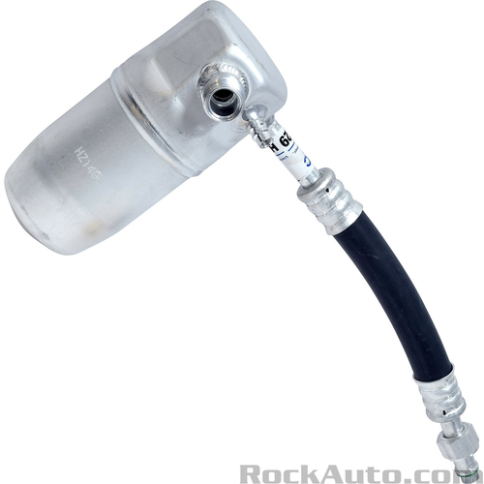 | https://www.rockauto.com/en/parts/uac,HA10029C,a/c+receiver+drier+/+accumulator,6972 | HA 10029C | Chevrolet Camaro 1997 Ford LTD II 1979 Pontiac Firebird 1997 | Chevrolet Camaro 1997 V6 CC:3800 CID:231 3.8L OHV FI MFI Naturally Aspirated GAS VIN:K Ford LTD II 1979 V8 CC:- CID:302 5.0L OHV CARB 2BBL Naturally Aspirated GAS VIN:F Ford LTD II 1979 V8 CC:5753 CID:351 5.8L OHV CARB 2BBL Naturally Aspirated GAS VIN:H Pontiac Firebird 1997 V6 CC:3800 CID:231 3.8L OHV FI MFI Naturally Aspirated GAS VIN:K | 1510733;151777;1530874;T33751;T33751;707017;AD10085;33751;2071048;02724937;2724937;88968524;RD1392;1411592;408504;TEM408504;3723405;4577N;F117;520067 | 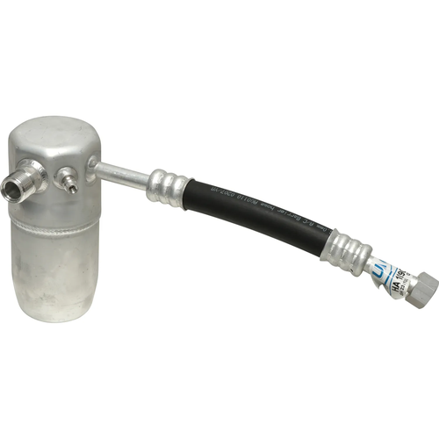 | https://uacparts.com/Catalog/SearchIndex?search=HA10029C
6 | Heat & Air Conditioning | A/C Receiver Drier / Accumulator | UAC | HA10034C | DODGE DAKOTA 1994-1996 | 55035817;55036704;55036704AB | 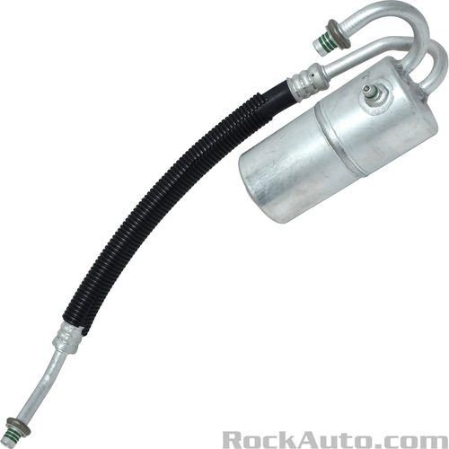 | https://www.rockauto.com/en/parts/uac,HA10034C,a/c+receiver+drier+/+accumulator,6972 | HA 10034C | Dodge Dakota 1994-1996 | Dodge Dakota 1994-1995 L4 CC:2507 CID:153 2.5L SOHC FI TBI Naturally Aspirated GAS VIN:G Dodge Dakota 1994-1995 V6 CC:3906 CID:239 3.9L OHV FI MFI Naturally Aspirated GAS VIN:X Dodge Dakota 1994-1995 V8 CC:5211 CID:318 5.2L OHV FI MFI Naturally Aspirated GAS VIN:Y Dodge Dakota 1995 V8 CC:5211 CID:318 5.2L OHV FI MFI Naturally Aspirated CNG VIN:T Dodge Dakota 1996 L4 CC:2500 CID:153 2.5L SOHC FI TBI Naturally Aspirated GAS VIN:- Dodge Dakota 1996 L4 CC:2507 CID:153 2.5L OHV FI MFI Naturally Aspirated GAS VIN:P | 1531645;1532403;51401;T33512;T55556;55035817;55036704;55036704AB;707018;55556;207843;RD1488;4811357;043943A;200610;TEM200610;3713436;172843;3643;936430;H6262;520003;520011 |  | https://uacparts.com/Catalog/SearchIndex?search=HA10034C
7 | Heat & Air Conditioning | A/C Receiver Drier / Accumulator | UAC | HA10038C | JEEP GRAND CHEROKEE 1993-1997 | 55036152 | 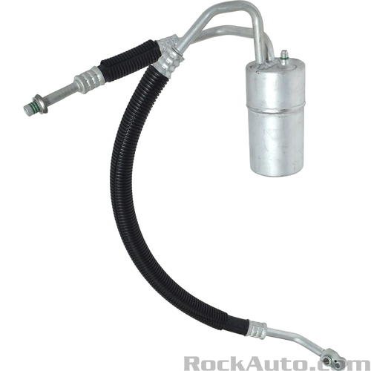 | https://www.rockauto.com/en/parts/uac,HA10038C,a/c+receiver+drier+/+accumulator,6972 | HA 10038C | Jeep Grand Cherokee 1993-1997 | Jeep Grand Cherokee 1993-1997 L6 CC:- CID:242 4.0L OHV FI MFI Naturally Aspirated GAS VIN:S | 1531647;55036152;55116120;4811360;3463528;3713337;3713338 | 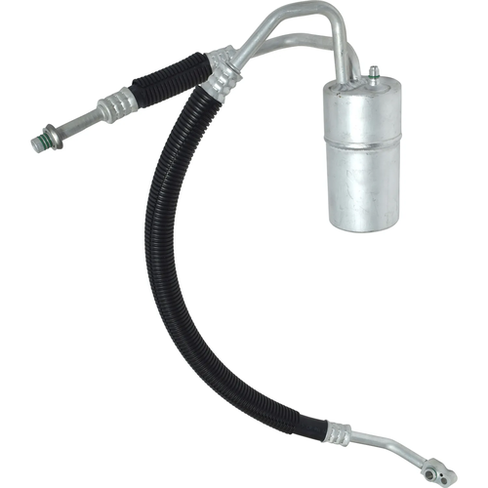 | https://uacparts.com/Catalog/SearchIndex?search=HA10038C
8 | Heat & Air Conditioning | A/C Receiver Drier / Accumulator | UAC | HA10040C | MERCURY VILLAGER 1993-1998 NISSAN QUEST 1993-1998 | F7XH19E647BA | 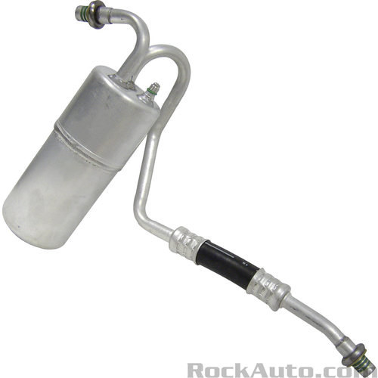 | https://www.rockauto.com/en/parts/uac,HA10040C,a/c+receiver+drier+/+accumulator,6972 | HA 10040C | Mercury Villager 1993-1998 Nissan Quest 1993-1998 | Mercury Villager 1993-1996 V6 CC:- CID:182 3.0L SOHC FI MFI Naturally Aspirated GAS VIN:W Mercury Villager 1997-1998 V6 CC:- CID:182 3.0L SOHC FI MFI Naturally Aspirated GAS VIN:1 Nissan Quest 1993-1996 V6 CC:2960 CID:181 3.0L SOHC FI MFI Naturally Aspirated GAS VIN:W Nissan Quest 1997-1998 V6 CC:2960 CID:181 3.0L SOHC FI MFI Naturally Aspirated GAS VIN:1 Nissan Quest 1998 V6 CC:2960 CID:181 3.0L SOHC FI MPI Naturally Aspirated GAS VIN:- | 1510192;1510755;1532402;11608051;707016;F7XH19E647BA;33097;2071055;1411264;YF1783;YF2086;YF2301;208247;TEM208247;3723344;4276;F124;520207 | 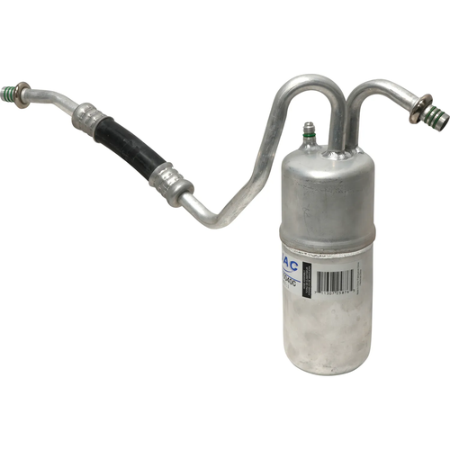 | https://uacparts.com/Catalog/SearchIndex?search=HA10040C
9 | Heat & Air Conditioning | A/C Receiver Drier / Accumulator | UAC | HA10066C | CHEVROLET PRIZM 1998-1999 | 02724974;2724974 | 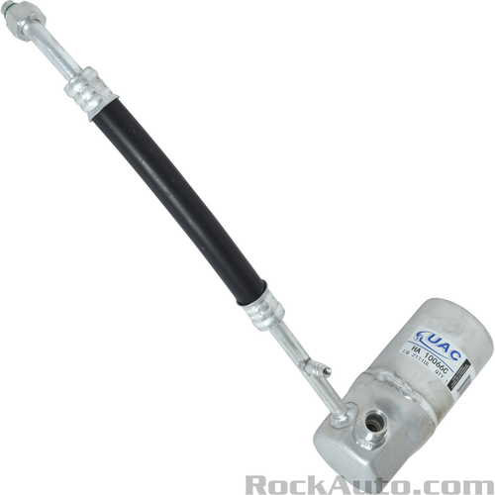 | https://www.rockauto.com/en/parts/uac,HA10066C,a/c+receiver+drier+/+accumulator,6972 | HA 10066C | Chevrolet Prizm 1998-1999 | Chevrolet Prizm 1998-1999 L4 CC:1794 CID:- 1.8L DOHC FI MFI Naturally Aspirated GAS VIN:8 | 151787;151798;T33757;10603251;707013;AD10115;33757;2071051;02724974;2724974;RD1702;1411596;408510;TEM408510;3463732;4598N;F120;520068 | 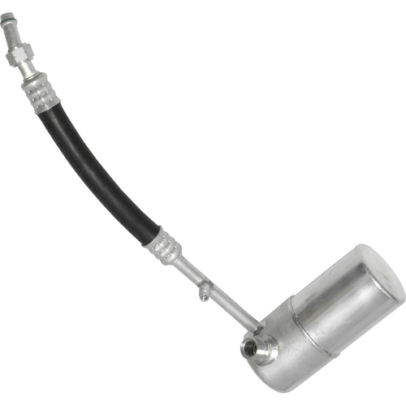 | https://uacparts.com/Catalog/SearchIndex?search=HA10066C
10 | Heat & Air Conditioning | A/C Receiver Drier / Accumulator | UAC | HA10068C | JEEP GRAND CHEROKEE 1999-2001 | 55115911AD;68054877AA | 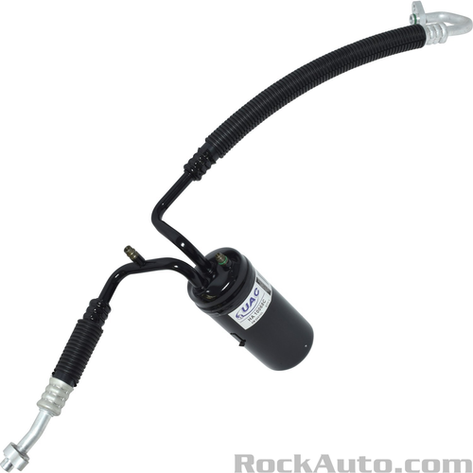 | https://www.rockauto.com/en/parts/uac,HA10068C,a/c+receiver+drier+/+accumulator,6972 | HA 10068C | Jeep Grand Cherokee 1999-2001 | Jeep Grand Cherokee 1999-2001 V8 CC:- CID:287 4.7L SOHC FI MFI Naturally Aspirated GAS VIN:N | 1510653;T56841;55115911AD;68054877AA;707030;56841;83113;2071092;1411641;043963A;408664;TEM408664;3723515;170030;170030A;3663;0283113;F157;ACR0030;520223 | 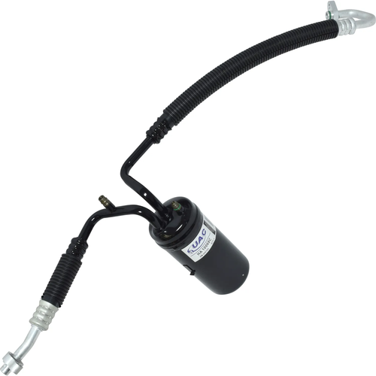 | https://uacparts.com/Catalog/SearchIndex?search=HA10068C

